Sheet1
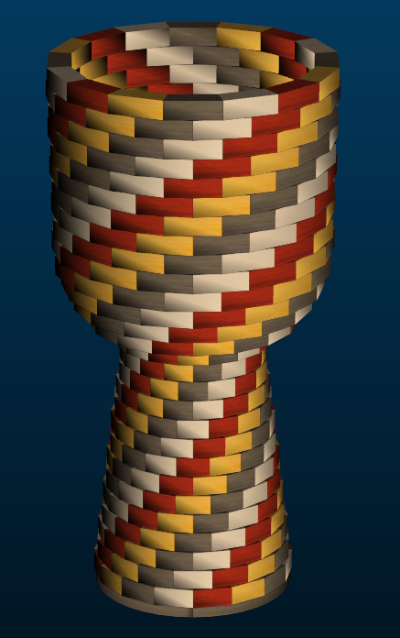
Large Segmented Ashiko: 448 Pieces |  |  |  |  | Segments per Ring: 16 |  |  | Ring Thickness: 0.875 |  |  | Angle: 11.25
 | Board |  | Segment | Diameter | Species | Strip |  | Strip |  | Strip |  | Strip | Dimensions: 24.5" Tall x 12.8" Diameter Head
Row | Width | Length | S.E.L. | Outer | Maple | Length | Walnut | Length | Padauk | Length | Yellow | Length |  | Area Maple | Area Walnut | Area Padauk | Area Yellow
1 | 1 | 17.7 | 1.786 | 9" | 4 | 4.3 | 4 | 4.3 | 4 | 4.3 | 4 | 4.3 |  | 4.3 | 4.3 | 4.3 | 4.3
2 | 1 | 18.4 | 1.742 | 8.8" | 4 | 4.5 | 4 | 4.5 | 4 | 4.5 | 4 | 4.5 |  | 4.5 | 4.5 | 4.5 | 4.5
3 | 1 | 19.2 | 1.703 | 8.6" | 4 | 4.7 | 4 | 4.7 | 4 | 4.7 | 4 | 4.7 |  | 4.7 | 4.7 | 4.7 | 4.7
4 | 1 | 20 | 1.659 | 8.3" | 4 | 4.9 | 4 | 4.9 | 4 | 4.9 | 4 | 4.9 |  | 4.9 | 4.9 | 4.9 | 4.9
5 | 1 | 20.7 | 1.615 | 8.1" | 4 | 5.1 | 4 | 5.1 | 4 | 5.1 | 4 | 5.1 |  | 5.1 | 5.1 | 5.1 | 5.1
6 | 1 | 21.4 | 1.575 | 7.9" | 4 | 5.2 | 4 | 5.2 | 4 | 5.2 | 4 | 5.2 |  | 5.2 | 5.2 | 5.2 | 5.2
7 | 1 | 21.9 | 1.536 | 7.7" | 4 | 5.4 | 4 | 5.4 | 4 | 5.4 | 4 | 5.4 |  | 5.4 | 5.4 | 5.4 | 5.4
8 | 1 | 22.3 | 1.496 | 7.5" | 4 | 5.5 | 4 | 5.5 | 4 | 5.5 | 4 | 5.5 |  | 5.5 | 5.5 | 5.5 | 5.5
9 | 1 | 21.7 | 1.46 | 7.3" | 4 | 5.3 | 4 | 5.3 | 4 | 5.3 | 4 | 5.3 |  | 5.3 | 5.3 | 5.3 | 5.3
10 | 1.25 | 20.4 | 1.412 | 7.1" | 4 | 5 | 4 | 5 | 4 | 5 | 4 | 5 |  | 6.25 | 6.25 | 6.25 | 6.25
11 | 1.5 | 19.1 | 1.365 | 6.9" | 4 | 4.7 | 4 | 4.7 | 4 | 4.7 | 4 | 4.7 |  | 7.05 | 7.05 | 7.05 | 7.05
12 | 1.65 | 17.8 | 1.325 | 6.7" | 4 | 4.4 | 4 | 4.4 | 4 | 4.4 | 4 | 4.4 |  | 7.26 | 7.26 | 7.26 | 7.26
13 | 1.8 | 16.9 | 1.297 | 6.5" | 4 | 4.1 | 4 | 4.1 | 4 | 4.1 | 4 | 4.1 |  | 7.38 | 7.38 | 7.38 | 7.38
14 | 2.05 | 17.7 | 1.392 | 7" | 4 | 4.3 | 4 | 4.3 | 4 | 4.3 | 4 | 4.3 |  | 8.815 | 8.815 | 8.815 | 8.815
15 | 3 | 21.8 | 1.834 | 9.2" | 4 | 5.4 | 4 | 5.4 | 4 | 5.4 | 4 | 5.4 |  | 16.2 | 16.2 | 16.2 | 16.2
16 | 2.15 | 28.9 | 2.112 | 10.6" | 4 | 7.1 | 4 | 7.1 | 4 | 7.1 | 4 | 7.1 |  | 15.265 | 15.265 | 15.265 | 15.265
17 | 1.75 | 33.4 | 2.311 | 11.6" | 4 | 8.3 | 4 | 8.3 | 4 | 8.3 | 4 | 8.3 |  | 14.525 | 14.525 | 14.525 | 14.525
18 | 1.4 | 36.4 | 2.439 | 12.3" | 4 | 9 | 4 | 9 | 4 | 9 | 4 | 9 |  | 12.6 | 12.6 | 12.6 | 12.6
19 | 1.05 | 38 | 2.467 | 12.4" | 4 | 9.4 | 4 | 9.4 | 4 | 9.4 | 4 | 9.4 |  | 9.87 | 9.87 | 9.87 | 9.87
20 | 1 | 38.2 | 2.467 | 12.4" | 4 | 9.5 | 4 | 9.5 | 4 | 9.5 | 4 | 9.5 |  | 9.5 | 9.5 | 9.5 | 9.5
21 | 1 | 38.2 | 2.467 | 12.4" | 4 | 9.5 | 4 | 9.5 | 4 | 9.5 | 4 | 9.5 |  | 9.5 | 9.5 | 9.5 | 9.5
22 | 1 | 38.3 | 2.478 | 12.5" | 4 | 9.5 | 4 | 9.5 | 4 | 9.5 | 4 | 9.5 |  | 9.5 | 9.5 | 9.5 | 9.5
23 | 1 | 38.5 | 2.486 | 12.5" | 4 | 9.5 | 4 | 9.5 | 4 | 9.5 | 4 | 9.5 |  | 9.5 | 9.5 | 9.5 | 9.5
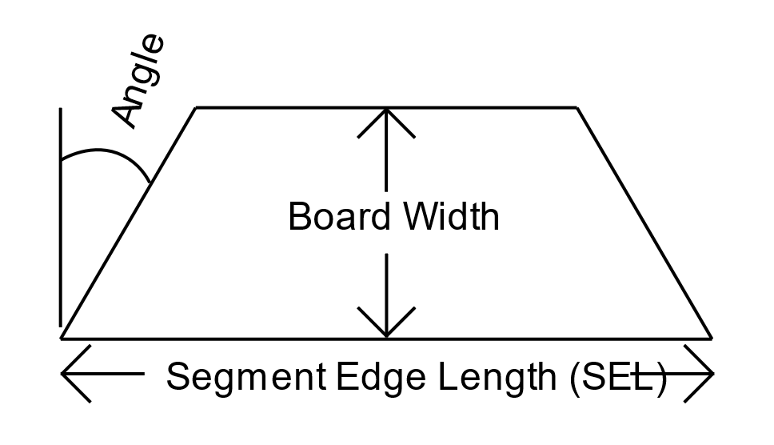
24 | 1 | 38.6 | 2.494 | 12.5" | 4 | 9.6 | 4 | 9.6 | 4 | 9.6 | 4 | 9.6 |  | 9.6 | 9.6 | 9.6 | 9.6
25 | 1 | 38.8 | 2.506 | 12.6" | 4 | 9.6 | 4 | 9.6 | 4 | 9.6 | 4 | 9.6 |  | 9.6 | 9.6 | 9.6 | 9.6
26 | 1 | 38.9 | 2.518 | 12.7" | 4 | 9.6 | 4 | 9.6 | 4 | 9.6 | 4 | 9.6 |  | 9.6 | 9.6 | 9.6 | 9.6
27 | 1 | 39.1 | 2.526 | 12.7" | 4 | 9.7 | 4 | 9.7 | 4 | 9.7 | 4 | 9.7 |  | 9.7 | 9.7 | 9.7 | 9.7
28 | 1 | 39.3 | 2.538 | 12.8" | 4 | 9.7 | 4 | 9.7 | 4 | 9.7 | 4 | 9.7 |  | 9.7 | 9.7 | 9.7 | 9.7
 |  | Segments of Maple | 112 |  |  | Bd Ft of Maple | 1.4359418403 |  |  |  |  |  |  | 236.315 | 236.315 | 236.315 | 236.315
 |  | Segments of Walnut | 112 |  |  | Bd Ft of Walnut | 1.4359418403
 |  | Segments of Padauk | 112 |  |  | Bd Ft of Padauk | 1.4359418403
 |  | Segments of Yellow | 112 |  |  | Bd Ft of Yellow | 1.4359418403
 |  | Total # of Pieces: | 16*28 = | 448 |  | Total Board Feet | 5.7437673611

